Claim Form
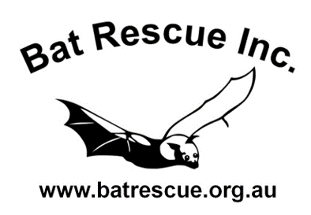

 |  | QUARTERLY EXPENSE CLAIM FORM
 |  | See instructions on tab (below) for information on completing this form

 |  | CLAIM DETAILS

MEMBER NAME |  |  | DATE

BANK DETAILS | ACCT NAME
 | ACCT No.
 | BSB

A. FUEL EXPENSES
 |  |  | Total Kms | Rate per Km | Amount
Total kms for ALL rescue journeys for this Quarter (as per logbook) |  |  |  | $0.20 | $0.00

B. MEDICATIONS/VET EXPENSES/OTHER
Receipt Ref No. | Date | Item |  |  | Amount

 |  |  |  | TOTAL | $0.00

C. FOOD EXPENSES
Receipt Ref No. | Date | Item |  |  | Amount

 |  |  |  | TOTAL | $0.00

Please see instructions sheet for submission options |  |  | TOTAL CLAIM FOR QUARTER |  | $0.00

Form ref: v2EX 09/21

Instructions
INSTRUCTIONS

1. Number each receipt as a reference for your list (the column named Receipt Ref. No.) and attach the original/s to this claim.
2. Ensure that claim items are highlighted on the receipt/s to distinguish them from any other purchases not bat related.
3. For fuel claims, a scan or photo of logbook entries must be attached to this claim (along with the fuel receipt).
4. Reimbursement for medications/Vet expenses need to be approved by the Treasurer.
5. Submit your completed claim with receipt/s by email before the deadline date for each Quarter.
6. Late submissions after the deadline date will NOT be eligible for reimbursement.

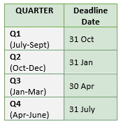

SUBMISSION
Please post this form and your itemized receipts before the deadline date of each Quarter to:
Carmel Givens, 49 Ridley Road, Reesville Qld 4552
or
email with scan of receipts and logbook (if applicable) to treasurer@batrescue.org.au

